Subprocess Monitoring
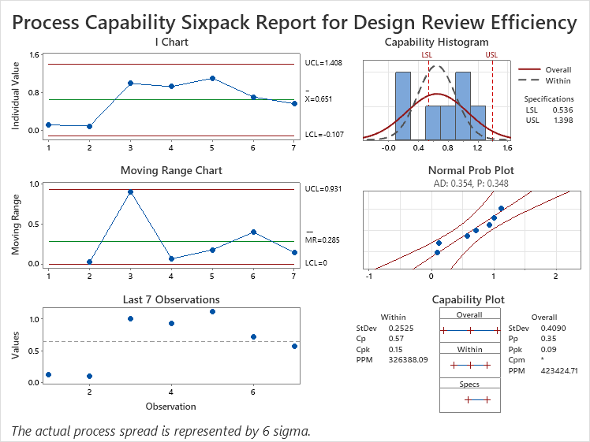
Sub Process (Critical X) Monitoring - Using Control Charts & Process Capability Analysis
Control Chart (MR + IMR) for Critical X <to be copied from Minitab>
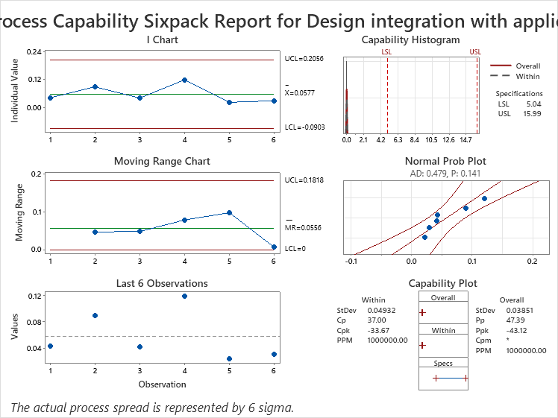
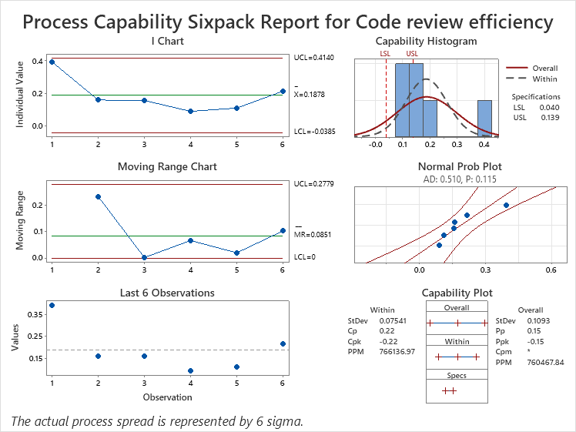
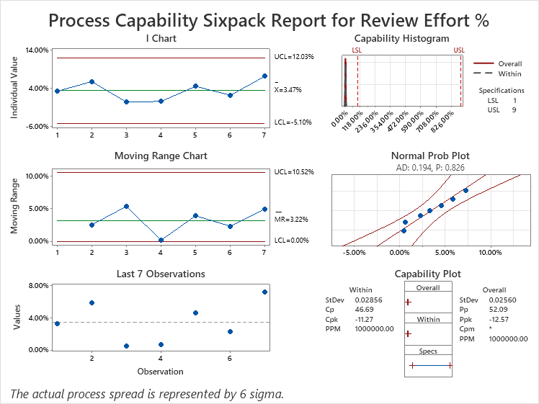
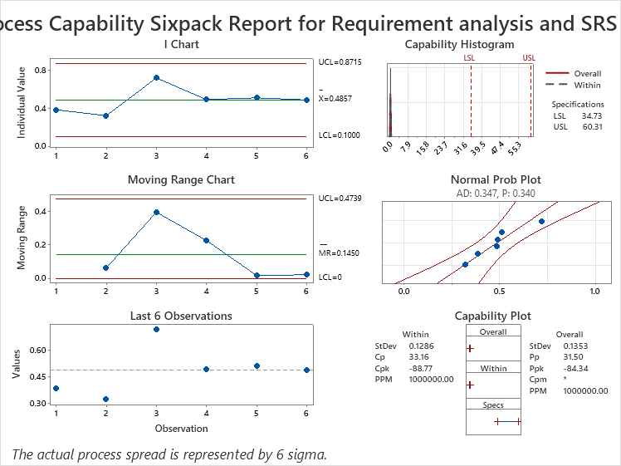
Data Points | Review Effort % | Code Review Efficiency
As per Monitoring milestones |  | 0.667
 |  | 0.500
 |  | 0.800
 |  | 1.500
 |  | 0.167
 |  | 0.600
 |  | 0.000
 |  | 0.00
 |  | 0.00
 |  | 0.00
 |  | 0.00
 |  | 0.00

 |  |  |  | Inference |  |  |  | Inference |  |  |  |  | Inference |  |  |  | Inference | Inference
 |  |  |  | All points are within control, so data is stable. |  |  |  | All points are within control, so data is stable. |  |  |  |  | All points are within control, so data is stable. |  |  |  | All points are within control, so data is stable. | All points are within control, so data is stable.

Step: Root Cause Analysis

Sl. No. |  | QPPO | Metric Name | Actual Observation | Causal Analysis |  |  |  |  | Actions ahead |  | Target Date | Closure Date | Preventive Action | Target Date | Closure Date
 |  |  |  |  | Why 1 | Why 2 | Why 3 | Why 4 | Why 5 (Root Cause) |  | Priority

